Sheet1
2008 Toyota Rav4 Sport 2.4
BODY/TRUNK / LIFTGATE ASSEMBLY
Reassembly

ENGINE HOOD / DOOR: BACK DOOR: REASSEMBLY

REASSEMBLY
HINT: A bolt without a torque specification is shown in the standard bolt chart See: Specifications\Mechanical.

1. INSTALL STOPPER
2. INSTALL CUSHION

(a) | Remove the 2 cushions.

3. INSTALL BACK DOOR SIDE FEMALE STOPPER

(a) | Install the stopper with the 2 bolts.

4. INSTALL BACK DOOR CHECK ASSEMBLY

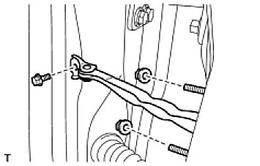

(a) | Apply MP grease to the sliding areas of the door check.
(b) | Install the door check to the door panel with the 2 nuts.
 | Torque: 5.5 Nm (56 kgf-cm, 49 in-lbf) for nut
(c) | Apply adhesive to the bolt.
 | Adhesive:
 | Toyota Genuine Adhesive 1324, Three Bond 1324 or equivalent
(d) | Install the door check to the body panel with the bolt.
 | Torque: 30 Nm (306 kgf-cm, 22 ft-lbf) for bolt

5. INSTALL BACK DOOR OUTSIDE HANDLE FRONT PAD

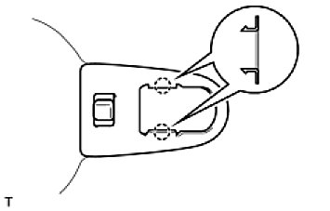

(a) | Attach the 2 claws to install the pad.

6. INSTALL BACK DOOR OUTSIDE HANDLE REAR PAD

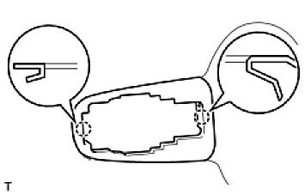

(a) | Attach the 2 claws to install the pad.

7. INSTALL BACK DOOR OUTSIDE HANDLE FRAME SUB-ASSEMBLY

(a) | Install the front door lock open rod.
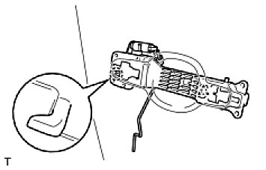

(b) | Attach the claw and clip to install the frame.
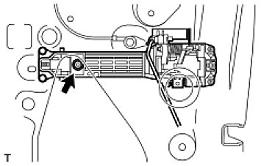

(c) | Using a T30 "torx" socket, install the screw.
Torque: 4.0 Nm (41 kgf-cm, 35 in-lbf)

8. INSTALL BACK DOOR OUTSIDE HANDLE

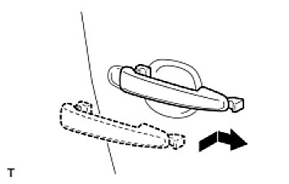

(a) | Install the handle by pushing and sliding it in the direction indicated by the arrows in the illustration.

9. INSTALL BACK DOOR OUTSIDE HANDLE COVER

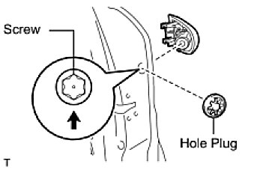

(a) | Using a T30 "torx" socket, install the cover with the screw.
Torque: 4.0 Nm (41 kgf-cm, 35 in-lbf)
(b) | Install the hole plug.

10. INSTALL BACK DOOR LOCK ASSEMBLY

(a) | Apply MP grease to the sliding and rotating areas of the back door lock.
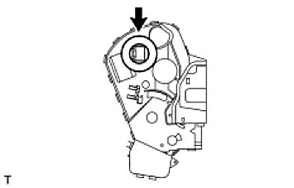

(b) | Install a new door lock wire harness packing.

When reinstalling the door lock, always use new packing.
Do not allow grease or dirt to contaminate the gap between the door panel and packing.
Old or damaged packing cannot effectively protect against water which can damage the door lock.

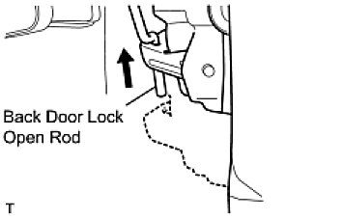

(c) | Connect the control rod into the door lock, and then set it to the door panel.
 | NOTE: Make sure that the rod is securely engaged with the lock.
(d) | Apply adhesive to the threads of the 3 screws.
Adhesive:
Toyota Genuine Adhesive 1324, Three Bond 1324 or equivalent

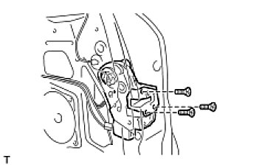

(e) | Using a T30 "torx" socket, install the door lock with the 3 screws.
Torque: 5.0 Nm (51 kgf-cm, 44 in-lbf)
(f) | Connect the connector.

11. INSTALL STEREO COMPONENT REAR SPEAKER ASSEMBLY (w/ Rear Speaker) See: Accessories and Optional Equipment\Speaker\Service and Repair\Back Door Speaker\Installation
12. INSTALL BACK DOOR SERVICE HOLE COVER

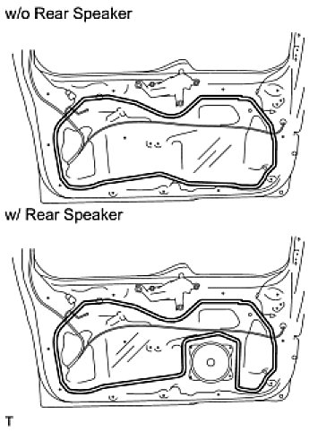

(a) | Apply butyl tape to the door panel, then install a new back door service hole cover as shown in the illustration.

When installing the service hole cover, pull out the links and connectors through the service hole cover.
There should be no wrinkles or folds after attaching the service hole cover.
After attaching the service hole cover, check the sealing quality.

(b) | Connect each connector.

13. INSTALL REAR WIPER MOTOR ASSEMBLY See: Wiper and Washer Systems\Wiper Motor\Service and Repair\Rear Wiper Motor\Installation
14. INSTALL SPARE WHEEL CARRIER BRACKET SUB-ASSEMBLY

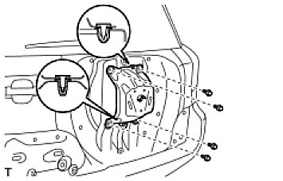

(a) | Install the bracket with the 4 bolts.
(b) | Install the 2 clips.

15. INSTALL UPPER BACK DOOR OUTSIDE GARNISH SUB-ASSEMBLY RH
16. INSTALL LOWER BACK DOOR OUTSIDE GARNISH SUB-ASSEMBLY RH
17. INSTALL UPPER BACK DOOR OUTSIDE GARNISH SUB-ASSEMBLY LH
18. INSTALL LOWER BACK DOOR OUTSIDE GARNISH SUB-ASSEMBLY LH
19. INSTALL REAR SPOILER See: Spoilers, Flaps, and Air Dams\Spoiler\Service and Repair\Installation
20. INSTALL REAR WIPER ARM AND BLADE ASSEMBLY See: Wiper and Washer Systems\Wiper Motor\Service and Repair\Rear Wiper Motor\Installation
21. INSTALL BACK DOOR TRIM BOARD

(a) | Install the back door trim pocket with the 5 screws.
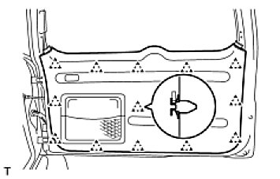

(b) | Attach the 13 clips to install the trim board.

22. INSTALL BACK DOOR COURTESY LIGHT ASSEMBLY See: Lighting and Horns\Trunk Lamp\Service and Repair\Installation
23. INSTALL BACK DOOR SIDE GARNISH LH

(a) | Attach the 2 claws and 2 clips to install the garnish.

24. INSTALL BACK DOOR SIDE GARNISH RH HINT: Use the same procedures described for the LH side.
25. INSTALL BACK DOOR CENTER GARNISH

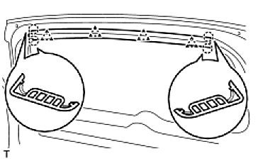

(a) | Attach the 4 claws and 4 clips to install the garnish.

26. CONNECT CABLE TO NEGATIVE BATTERY TERMINAL

